Sheet1
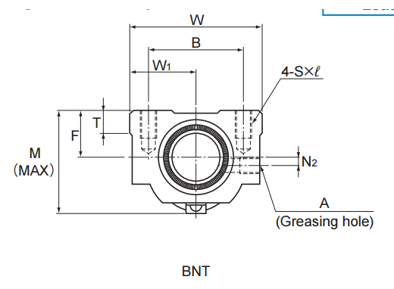
 |  |  |  |  |  | Basic Load Rating
Screw Shaft Outer Diameter d | Lead Ph | Model No. | Ball centerto-center diameter dp | Thread minor diameter dc | No. of loaded circuits Rows X Turns | Ca kN | C0a kN | Rigidity K N/um | Width W | Center Height F | Overall Length L1 | Screw Shaft intial Moment/mm kg.cm^2/mm | Shaft Mass kg/m
16 | 5 | BNT 1605-2.6 | 16.75 | 13.5 | 1 X 2.65 | 5.4 | 13.3 | 130 | 42 | 16 | 36 | 5.05x10^-4 | 1.34

20 | 10 | BNT 2010-2.6 | 21.25 | 16.4 | 1 X 2.65 | 10.6 | 25.1 | 160 | 48 | 18 | 58 | 1.23x10^-3 | 2.16

Nut Dimentions
 | Mounting Hole
 | B | C | S X l | W1 | T | M | N1 | N2 | A
 | 26 | 22 | M4X7 | 17 | 6 | 30 | 6 | 2 | M6
 | 26 | 22 | M4X7 | 17 | 6 | 31 | 6 | 2 | M6
 | 32 | 22 | M5X8 | 21 | 21.5 | 32.5 | 6 | 2 | M6
 | 35 | 35 | M6X10 | 24 | 10 | 44 | 8 | 3 | M6
 | 35 | 22 | M6X10 | 24 | 9 | 39 | 5 | 3 | M6
 | 35 | 35 | M6X10 | 24 | 9 | 46 | 10 | 2 | M6
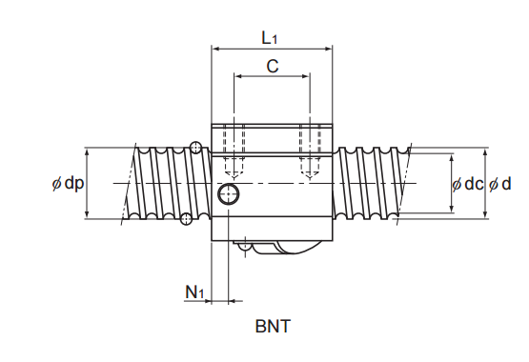
 | 40 | 22 | M8x12 | 30 | 9.5 | 45 | 7 | 5 | M6
 | 40 | 60 | M8x12 | 30 | 10 | 55 | 10 | X | M6
 | 40 | 18 | M8x12 | 30 | 10 | 50 | 8 | X | M6
 | 40 | 40 | M8x12 | 30 | 10 | 50 | 8 | X | M6
 | 50 | 45 | M8x12 | 35 | 12 | 62 | 10 | X | M6
 | 50 | 60 | M8x12 | 35 | 12 | 62 | 10 | X | M6
 | 60 | 45 | M10X16 | 43 | 17 | 67 | 11 | X | M6
 | 60 | 60 | M10X16 | 43 | 17 | 67 | 11 | X | M6
15 | 75 | 75 | M12X20 | 50 | 20.5 | 80 | 13 | X | M6
 |  | For online CAD
 |  | http://www.thkstore.com/bnt-nut.html?thk_for_shaft_od_mm=6537&thk_lead_mm=6712%2C6698
 |  | For PDF Info
 |  | https://tech.thk.com/en/products/pdfs/en_a15_296.pdf

